ESP8266 -> CD4066
// - - o o - - //
// This file belongs to: //
//// //// //// ESP8266 Project Timerclock by John Halfords, The Netherlands //// //// ////
// - - o o - - //

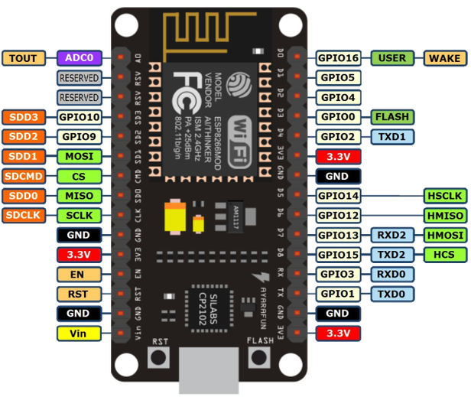
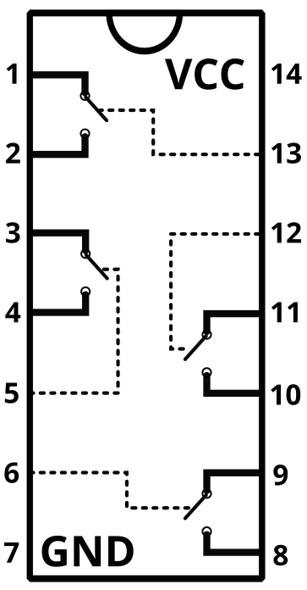

A

B

D

 |  | 1 Kohm

C

 |  |  | WiFi ON
 | ESP8266

 |  |  |  | CD4066 nr1
 |  |  |  | Controlling the Timers A-D ON

A

B

D

C

 | Physically same module as above
 | ( just for the sake of clarity)
 |  |  |  | CD4066 nr2
 |  |  |  | Controlling the Timers A-D OFF

Matrix RF Remote -> CD4066
All ON
All OFF
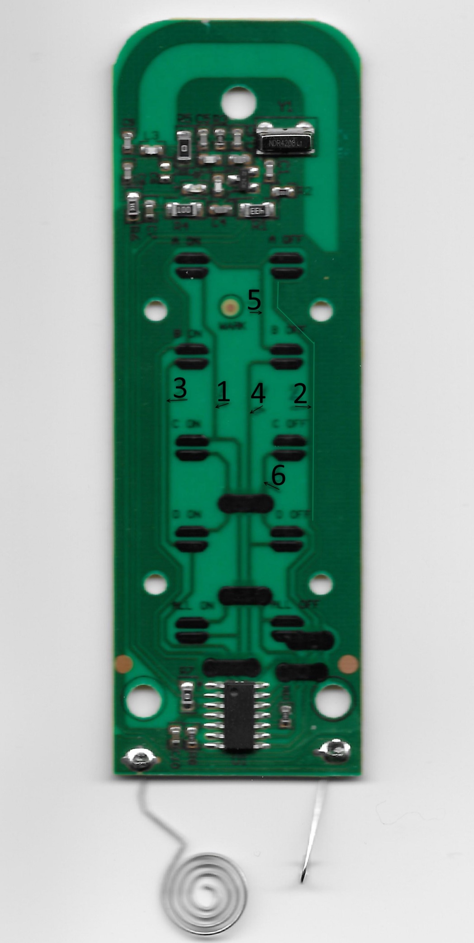
C ON
C OFF
D ON
D OFF
 |  |  |  |  |  |  |  |  | Picture: RF remote controle
 |  |  |  | 1 | Bruin | Brown
 |  |  |  | 2 | Rood | Red
6 (+)
Zwart
 |  |  |  | 3 | Oranje | Orange | Numbers 1 - 6 correspond with
 |  |  |  | 4 | Geel | Yellow | 1-6 on picture on the rigth
A ON
A OFF
B ON
B OFF
 |  |  |  | 5 | Groen | Green
5 (+)
Groen
 |  |  |  | 6 | Zwart | Black

1 (-)
Bruin
2 (-)
Rood
3 (-)
Oranje
4 (-)
Geel

1 |  |  | 2
A
A

5 |  |  | 5

5 |  |  | 5
B
B

3 |  | 3 | 4 |  |  |  |  | 4
D
D

 |  | 6 |  |  |  |  |  | 6

 |  | 6 |  |  |  |  |  | 6
C
C

 |  | 1 |  |  |  |  |  | 2

 | CD4066 nr1 |  |  |  | CD4066 nr2
 | Controlling the Timers A-D ON |  |  |  | Controlling the Timers A-D OFF

